Print Page 1
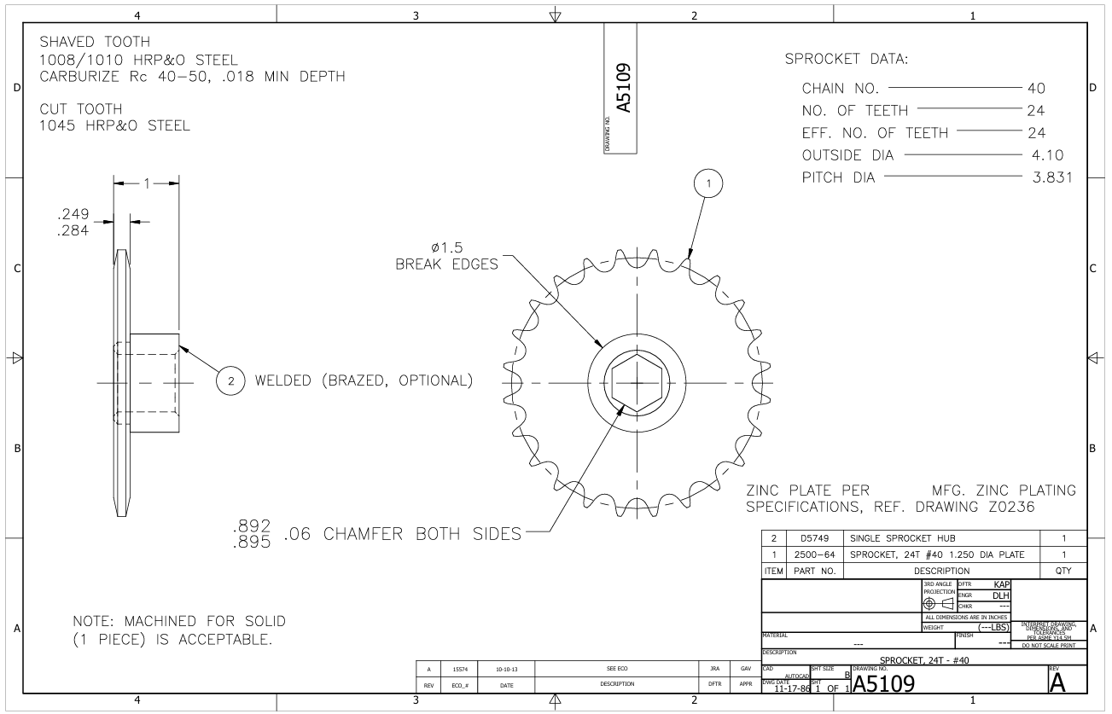

6

1
5

2

3

4

7

